Zone 6 Belmont
High Achieving Schools | Average Achieving Schools | Low Achieving Schools | # of Students Living in Zone | # Attend High Achieving School | % Attend High Achieving School
1 | 6 | 10 | 7672 | 920.64 | 12%

Zone 6: Belmont

Zone 6: Belmont

Zone 3 Overbrook
High Achieving Schools | Average Achieving Schools | Low Achieving Schools | # of Students Living in Zone | # Attending Catchment School | # Attend High Achieving School | % Attending Catchment School | % Attend High Achieving School
0 | 4 | 7 | 4736 | 1752.32 | 142.08 | 37% | 3%
Zone 3: Overbrook
Zone 3: Overbrook

Zone 3: Overbrook

Zone 3: Overbrook
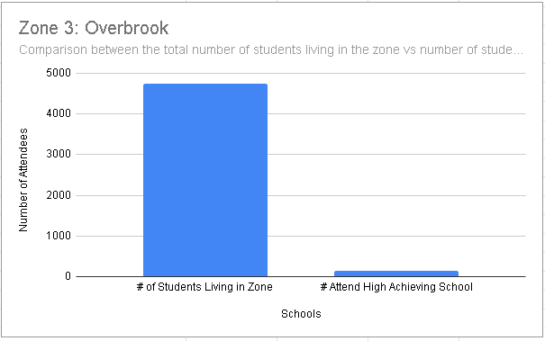

Zone 3: Overbrook

